Mens Health Campaign
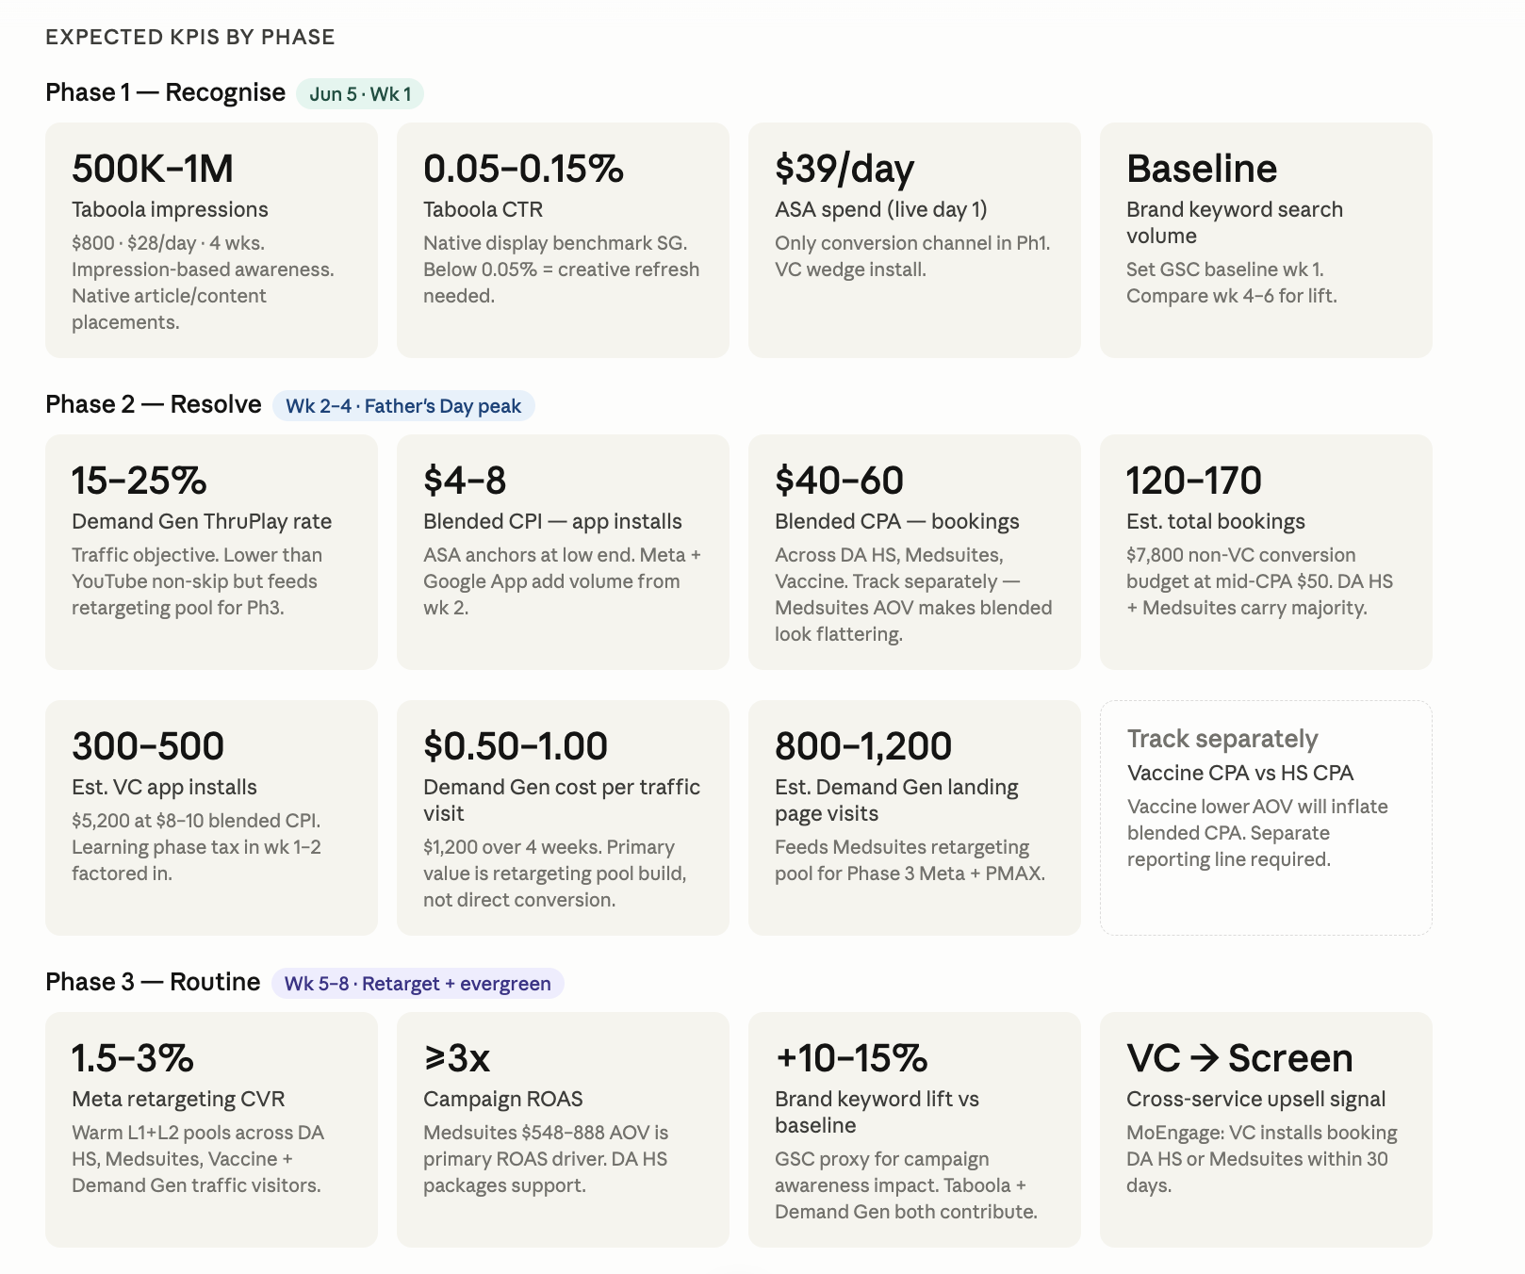
Men's Health |  |  |  | SGD15,000 - 6 to 8 weeks - 4 services

Location - SG Only
BU | Product | Channel | Objective | Conversion Goal | Campaign Type | Campaign Budget (SGD) | Daily Budget (SGD) | Budget % | Remark
GHS | VC - Men's Health | Taboola | Awareness | Impression | Taboola | $800.00 | $28.57 | 5.33% | Run for 4 weeks
 |  | Google Ads | Conversion | App Install | Google App Campaign | $1,200.00 | $21.43 | 8.00% | Run for 6 - 8 weeks
 |  | Meta | Conversion | App Install | Meta App Install Campaign | $1,000.00 | $17.86 | 6.67% | Run for 6 - 8 weeks
 |  | Apple Search Ads | Conversion | App Install | Apple Search Ads | $2,200.00 | $39.29 | 14.67% | Run for 6 - 8 weeks
 | DA Health Screening | Meta | Conversion | Booking | Meta Conversion Campaign | $1,000.00 | $17.86 | 6.67% | Run for 6 - 8 weeks
 |  | Google Ads | Conversion | Booking | Pmax | $1,900.00 | $33.93 | 12.67% | Run for 6 - 8 weeks
 | Vaccine | Google Ads | Conversion | Booking | Google Search | $1,000.00 | $17.86 | 6.67% | Run for 6 - 8 weeks
 |  | Meta | Conversion | Booking | Meta Conversion Campaign | $1,000.00 | $17.86 | 6.67% | Run for 6 - 8 weeks
 | Medsuites | Google Ads | Awareness | Traffic | Demand Gen | $1,200.00 | $42.86 | 8.00% | Run for 4 weeks
 |  | Google Ads | Conversion | Booking | Google Search | $1,700.00 | $30.36 | 11.33% | Run for 6 - 8 weeks
 |  | Google Ads | Conversion | Booking | Pmax | $1,000.00 | $17.86 | 6.67% | Run for 6 - 8 weeks
 |  | Meta | Conversion | Booking | Meta Conversion Campaign | $1,000.00 | $17.86 | 6.67% | Run for 6 - 8 weeks
 |  |  |  |  | Total | $15,000.00 | $267.86 | 100.00%

Campaign Timeline
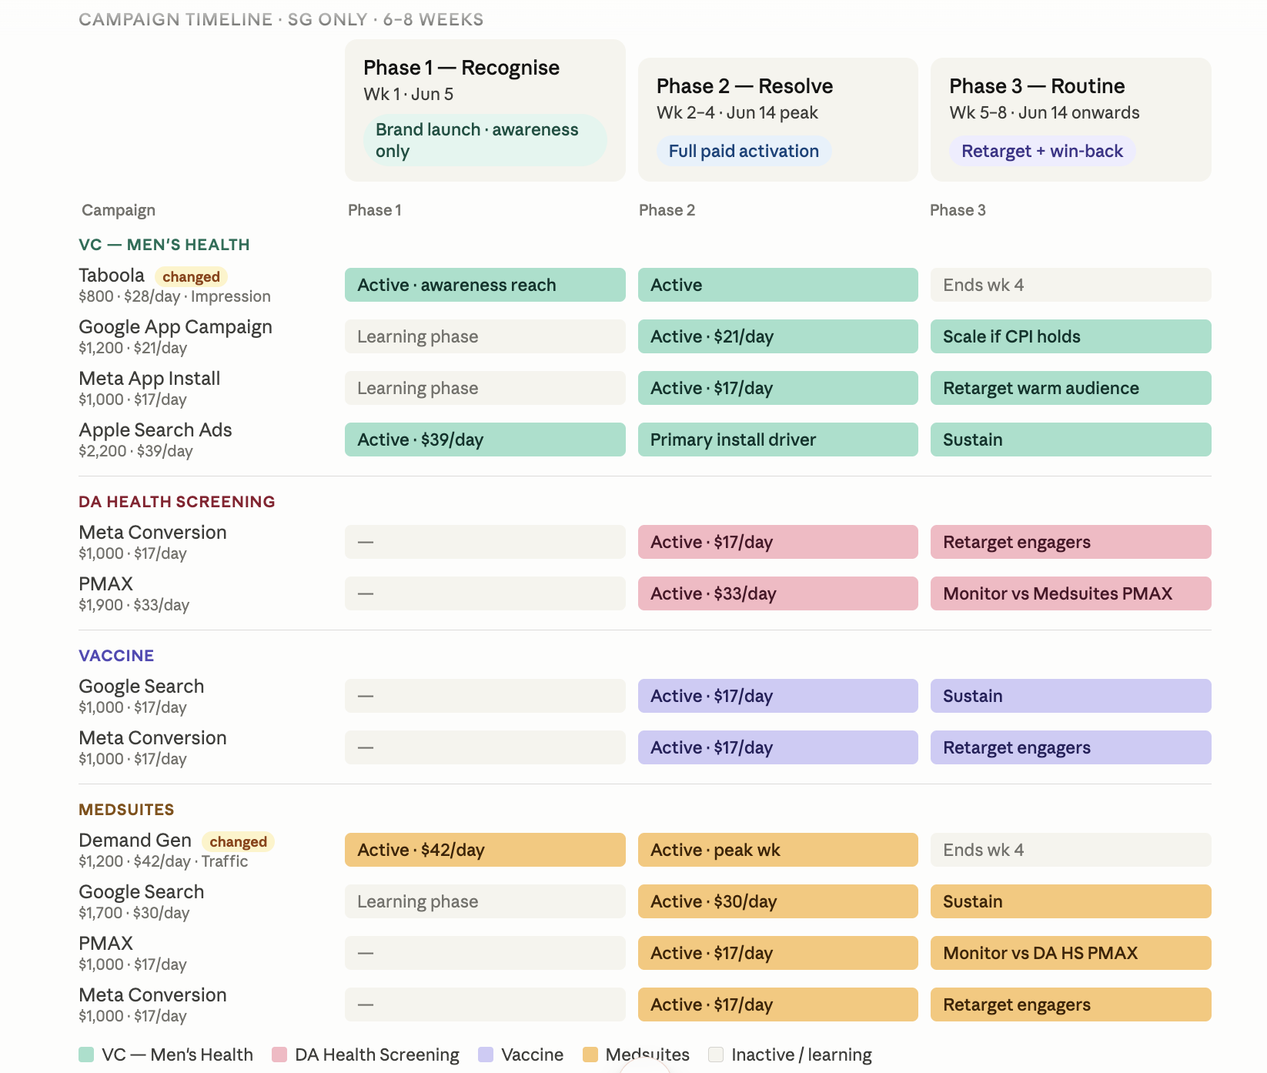

Expected KPIs by Campaign Phases

Brand Manifesto Campaign
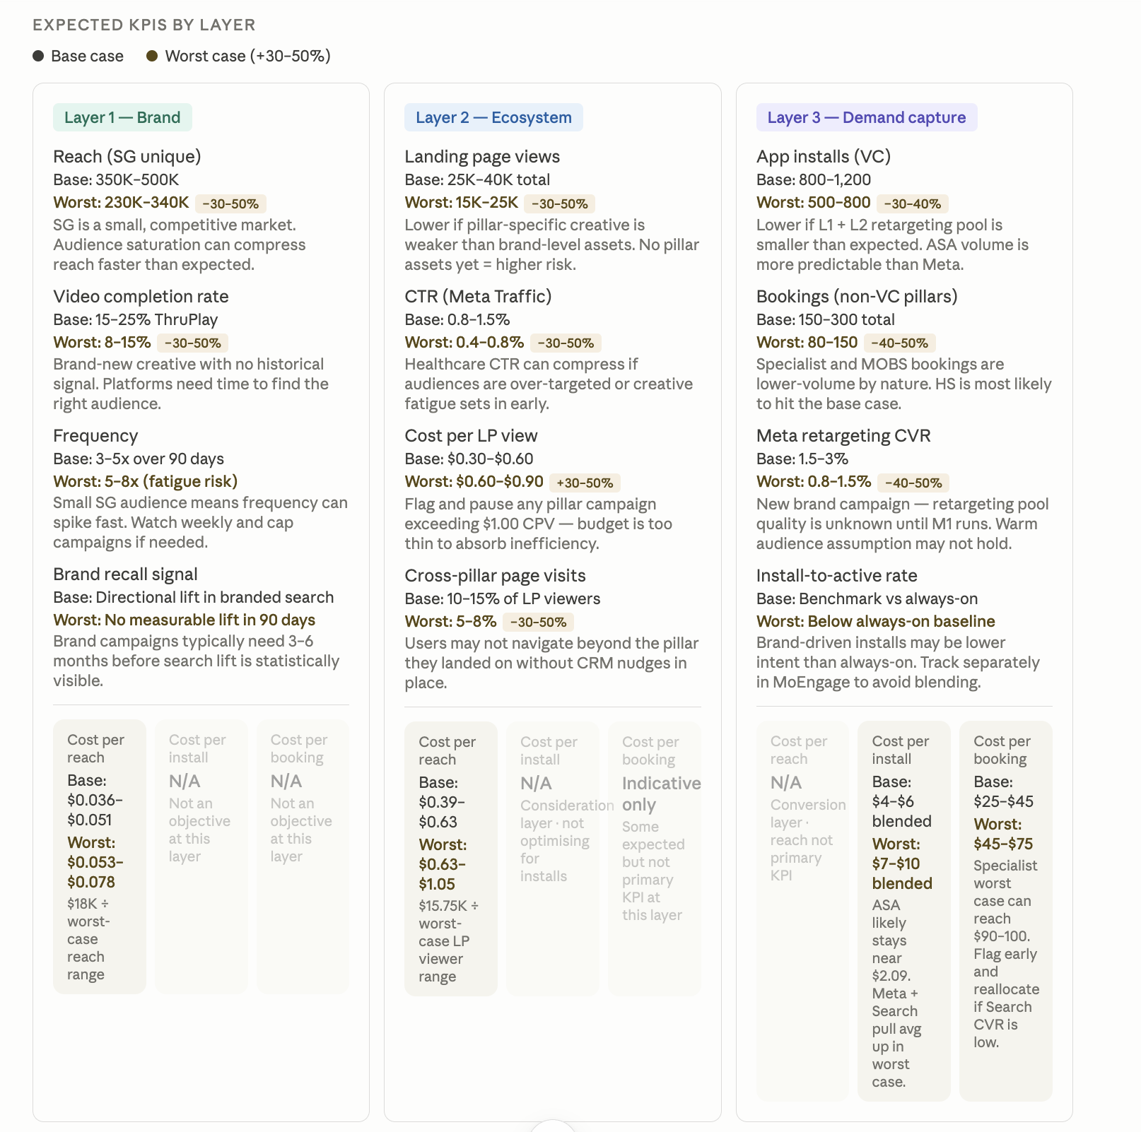
 | Brand Manifesto |  |  |  | SGD45,000 - 90 Days (3 months)

Summary Table
Layer | Total Budget | Budget %
Layer 1 - Brand | $18,000.00 | 40.00%
Layer 2 - Ecosystem | $15,750.00 | 35.00%
Layer 3 - Demand Capture | $11,250.00 | 25.00%
Total | $45,000.00

 | Location - SG Only
Layer | BU | Product | Channel | Objective | Conversion Goal | Campaign Type | Campaign Budget (SGD) | Daily Budget (SGD) | Budget % | Phase | Remark
Layer 1 - Brand | DA All | Brand Manifesto | Meta | Awareness | Reach / Video View | Meta Awareness Campaign | $8,000.00 | $88.89 | 17.78% | Month 1 to 3 | ENG + CN creatives. Split into the target audiences Learn More CTA to the main website
 | DA All | Brand Manifesto | Google Ads | Awareness | Reach / Video View | YouTube Video Reach | $5,000.00 | $83.33 | 11.11% | Month 2 to 3 | ENG + CN creatives. Split into the target audiences Learn More CTA to the main website
 | DA All | Brand Manifesto | TikTok Ads | Awareness | Video View | TikTok Awareness | $3,000.00 | $50.00 | 6.67% | Month 2 to 3 | Pending video asset
 | DA All | Brand Manifesto | Taboola | Awareness | Reach | Taboola Native | $2,000.00 | $33.33 | 4.44% | Month 2 to 3 | ENG creatives. Split into the target audiences Learn More CTA to the main website | No ad sizes
Layer 2 - Ecosystem | GHS | VC | Meta | Consideration | Landing Page View | Meta Traffic Campaign | $4,500.00 | $50.00 | 10.00% | Month 1 to 3 | Hero pillar. Learn More / Book Now CTA. Optimise for LP views not conversions. Retarget Layer 1 engagers. ENG + CN
 |  | VC | YouTube | Consideration | Video Completion | YouTube Video Reach | $2,000.00 | $33.33 | 4.44% | Month 2 to 3 | Activate once video ready.
 |  | Health Screening | Meta | Consideration | Landing Page View | Meta Traffic Campaign | $2,500.00 | $27.78 | 5.56% | Month 1 to 3 | Book Now CTA. Optimise for LP views. Target health-conscious. ENG + CN
 |  | Health Screening | Taboola | Consideration | Traffic | Taboola Native | $800.00 | $26.67 | 1.78% | Month 2 | Drive to health screening service page. Health content placements
 |  | MOBS | Meta | Consideration | Landing Page View | Meta Traffic Campaign | $1,500.00 | $16.67 | 3.33% | Month 1 to 3 | Care that feels like home messaging. Target parents + caregivers
 |  | MOBS | Taboola | Consideration | Traffic | Taboola Native | $700.00 | $23.33 | 1.56% | Month 2 | Drive to home care service page. Health + lifestyle placements
 |  | DA Clinic | Google Ads | Consideration | Traffic | Google Search | $1,375.00 | $15.28 | 3.06% | Month 1 to 3 | Clinic near me + GP clinic SG keywords
 |  | DA Clinic | Taboola | Consideration | Traffic | Taboola Native | $900.00 | $30.00 | 2.00% | Month 2 | Geo-target SG clinic locations.
 |  | Specialist Care | Meta | Consideration | Landing Page View | Meta Traffic Campaign | $975.00 | $10.83 | 2.17% | Month 1 to 3 | Care led by experts messaging.
 |  | Specialist Care | Taboola | Consideration | Traffic | Taboola Native | $500.00 | $16.67 | 1.11% | Month 2 | Drive to specialist page. Health content placements
Layer 3 - Demand Capture | GHS | VC | Google Ads | Conversion | App Install | Google App | $1,500.00 | $25.00 | 3.33% | Month 2 to 3 | App install goal. VC-specific assets. Cross-inventory conversion capture
 |  | VC | Apple Search Ads | Conversion | App Install | Apple Search Ads | $2,250.00 | $37.50 | 5.00% | Month 2 to 3 | M3VC primary. Install-to-active KPI.
 |  | Health Screening | Google Search | Conversion | Booking Completion | Google Search | $1,500.00 | $25.00 | 3.33% | Month 2 to 3 | Health screening SG intent keywords.
 |  | MOBS | Google Search | Conversion | Booking Completion | Google Search | $1,050.00 | $17.50 | 2.33% | Month 2 to 3 | Home doctor visit SG keywords.
 |  | DA Clinic | Google Search | Conversion | Booking Completion | Google Search | $850.00 | $14.17 | 1.89% | Month 2 to 3 | GP clinic near me + DA clinic SG.
 |  | Specialist Care | Google Search | Conversion | Booking Completion | Google Search | $750.00 | $12.50 | 1.67% | Month 2 to 3 | Specialist doctor SG + condition-specific keywords.
 |  | VC | Meta Retargeting | Conversion | App Install | Meta App Install Campaign | $1,350.00 | $22.50 | 3.00% | Month 2 to 3 | Retarget L1+L2 engagers.
 |  | Health Screening | Meta Retargeting | Conversion | Booking Completion | Meta Conversion | $1,000.00 | $16.67 | 2.22% | Month 2 to 3 | Retarget L2 health screening LP visitors.
 |  | Home Care + Clinic + Specialist | Meta Retargeting | Conversion | Booking Completion | Meta Conversion | $1,000.00 | $16.67 | 2.22% | Month 2 to 3 | Combined retargeting pool for lower-volume pillars.
 |  |  |  |  |  | Total | $45,000.00 | $803.57 | 100.00%

Campaign Phases

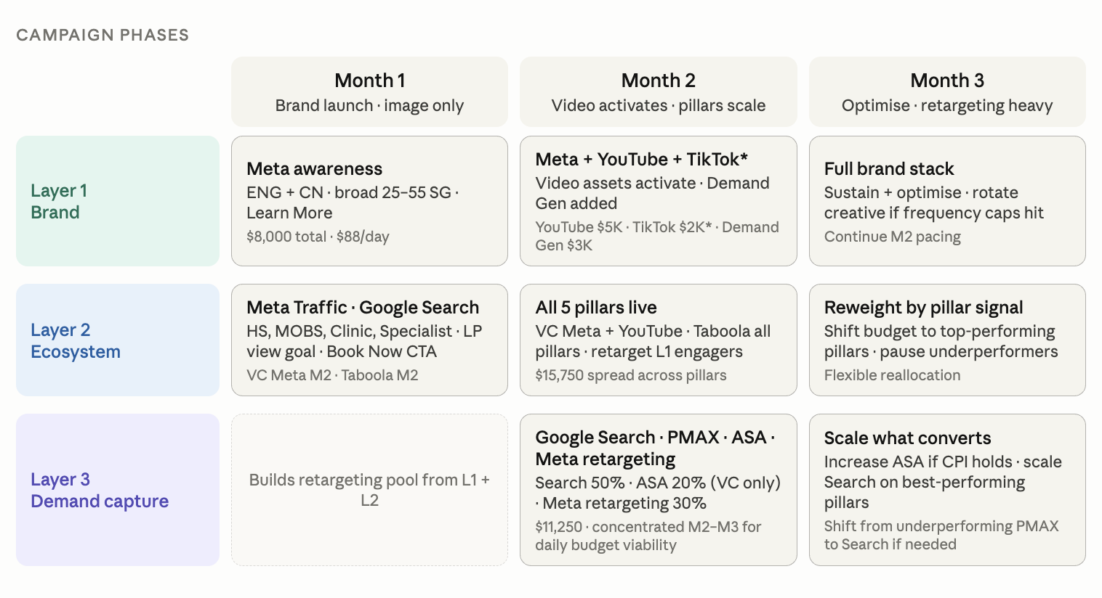

*Expected KPI by Phases
*Remark: - For the cross-pillar usage rate, we establish baselines in Month 1 and target a 15% - 20% uplift by Month 3

Longevity Campaign
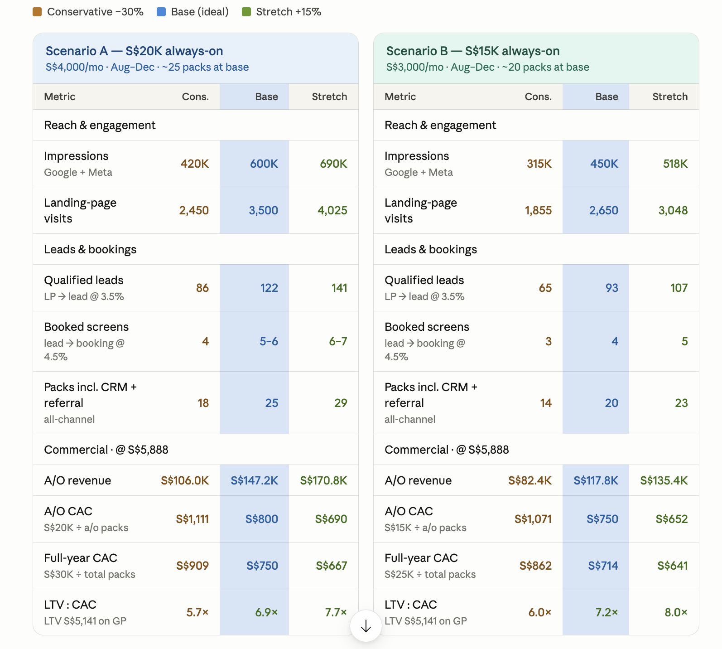
Longevity Campaign (Bonsai) - Medsuites |  |  |  |  | SGD10,000 - 8 weeks - 1 service
Date of launch: July 2026

Location - SG Only
BU | Product | Phase | Channel | Objective | Conversion Goal | Campaign Type | Campaign Budget (SGD) | Daily Budget (SGD) | Budget % | Remark
GHS | Medsuites | Phase 1 - Grow / Awareness | Meta | Awareness | Video views / reach | Meta Reach + Video Views | $1,200.00 | $57.14 | 12.00% | Run from Week 1 to 3
 |  |  | TikTok | Awareness | 6-sec video views | TikTok Reach / Video View | $800.00 | $38.10 | 8.00% | Run from Week 1 to 3
 |  |  | LinkedIn | Awareness | Thought-leadership reach | LinkedIn Brand Awareness | $500.00 | $23.81 | 5.00% | Run from Week 1 to 3
 |  | Phase 2 - Tend / Desire | Meta | Traffic | Landing page visits / leads | Meta Traffic + Engagement | $1,800.00 | $85.71 | 18.00% | Run from Week 4 to 6
 |  |  | Google | Conversion | LP enquiry / consult request | Google Search | $1,200.00 | $57.14 | 12.00% | Run from Week 4 to 6
 |  |  | TikTok | Traffic | Profile / LP visits | TikTok Spark Ads | $500.00 | $23.81 | 5.00% | Run from Week 4 to 6
 |  | Phase 3 - Harvest / Bookings | Meta | Conversion | Booking / lead form submit | Meta Conversion (Retarget) | $2,000.00 | $142.86 | 20.00% | Run from Week 7 to 8
 |  |  | Google | Conversion | Booking / lead form submit | Google Search | $1,500.00 | $71.43 | 15.00% | Run from Week 7 to 8
 |  |  | Meta | Conversion | Booking / lead form submit | Meta Conversion (LAL) | $500.00 | $23.81 | 5.00% | Run from Week 7 to 8
 |  |  |  |  |  | Total | $10,000.00 | $178.57 | 100.00%

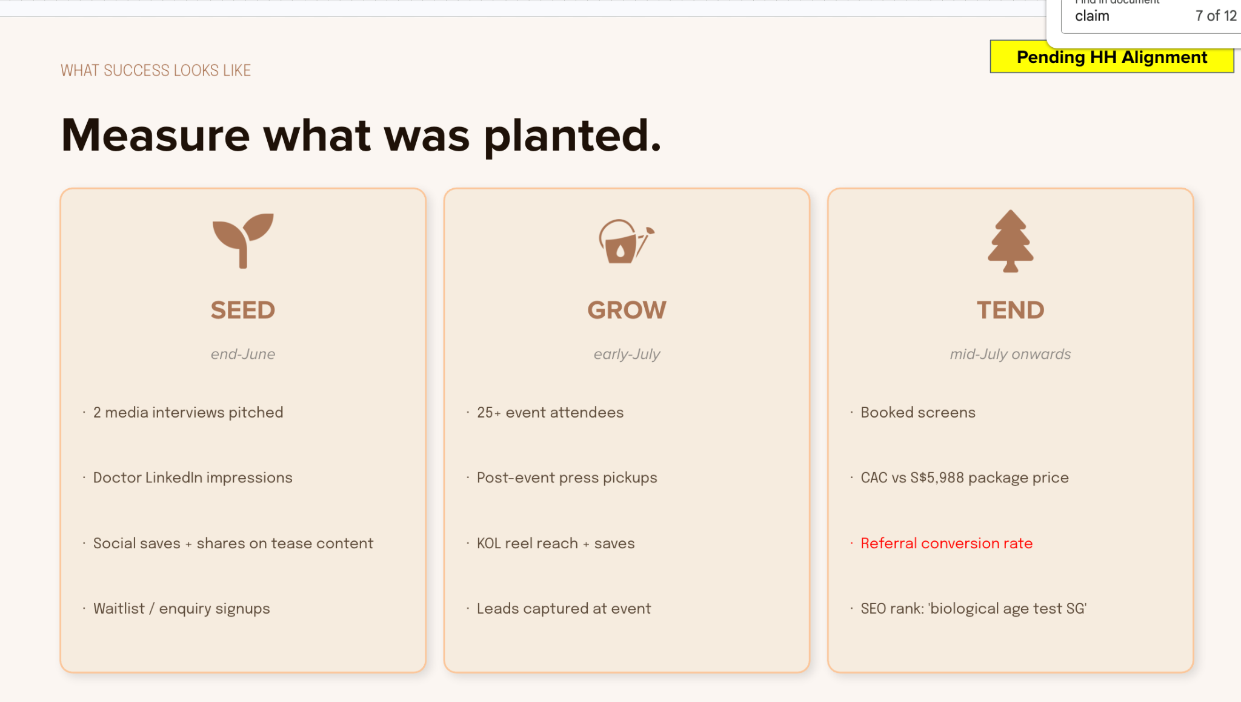
Campaign Timeline
 |  |  |  |  |  | 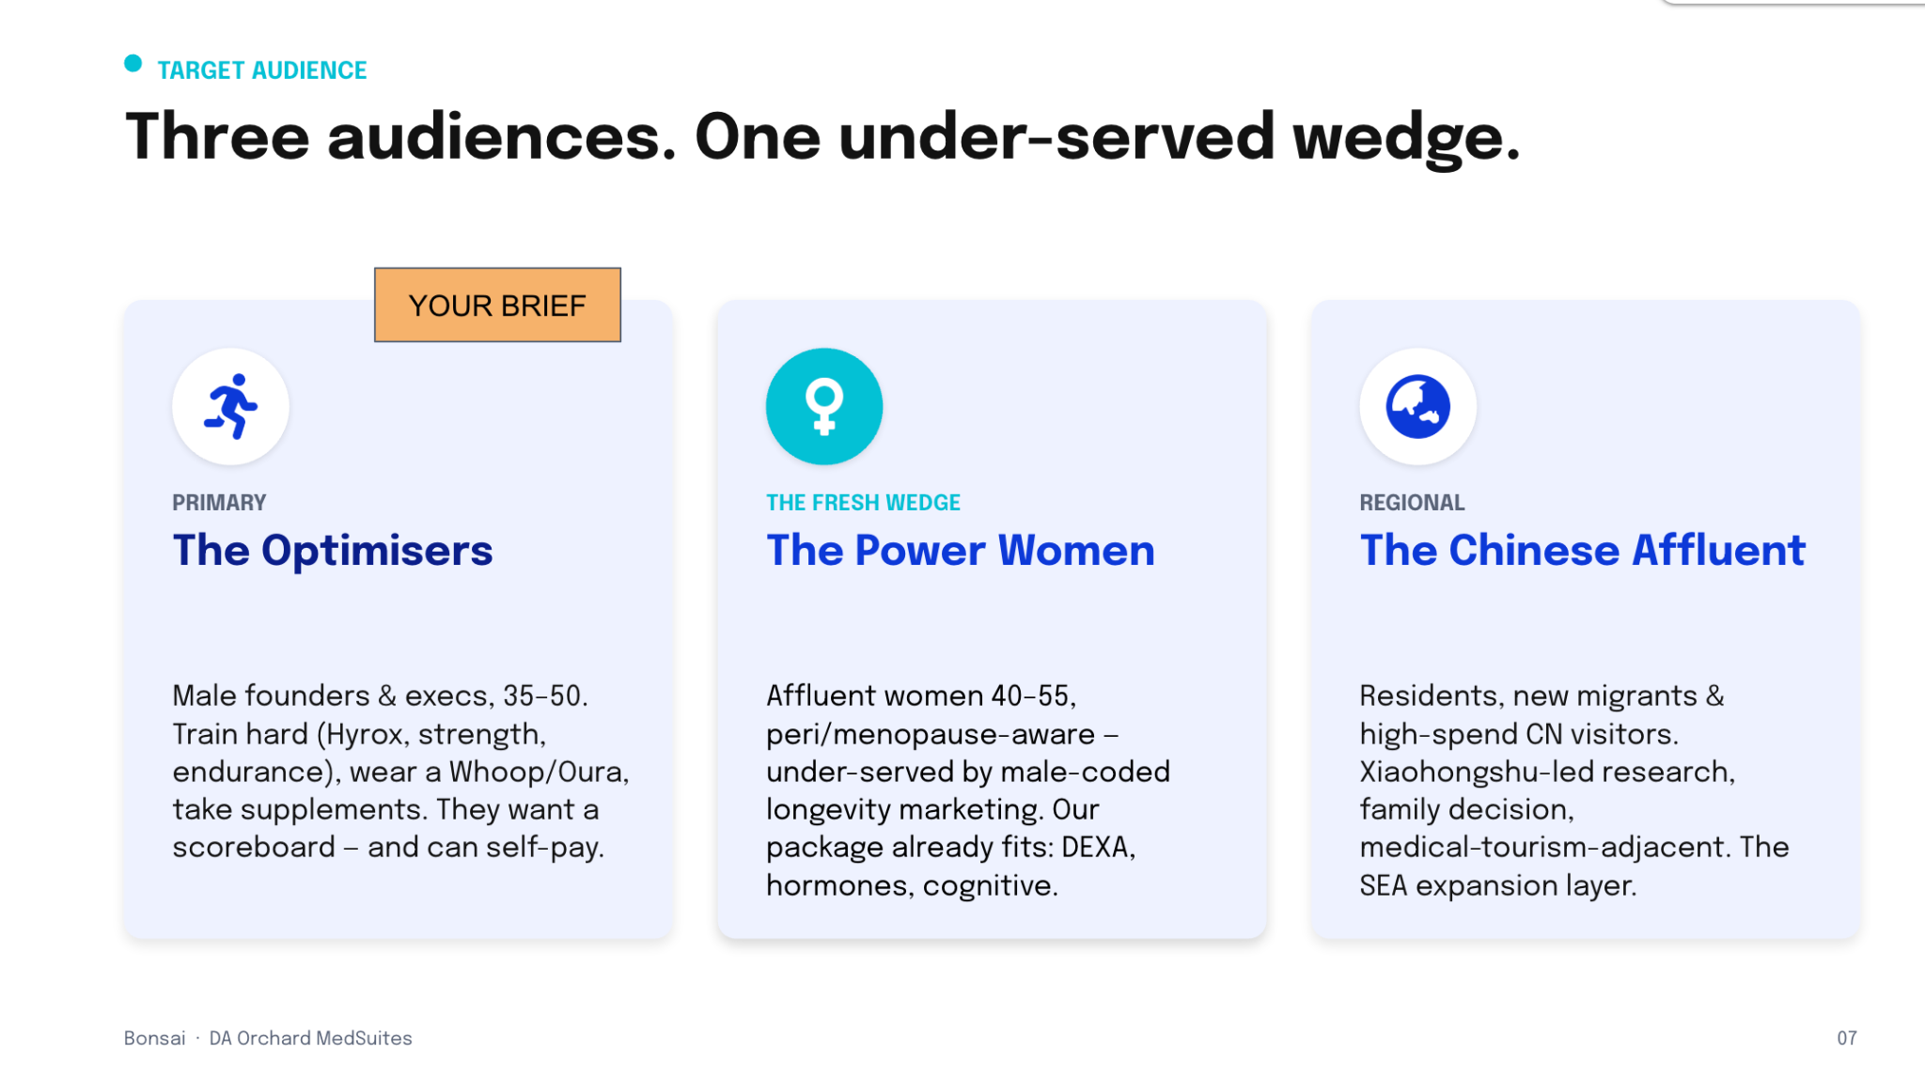

 |  |  |  |  |  | 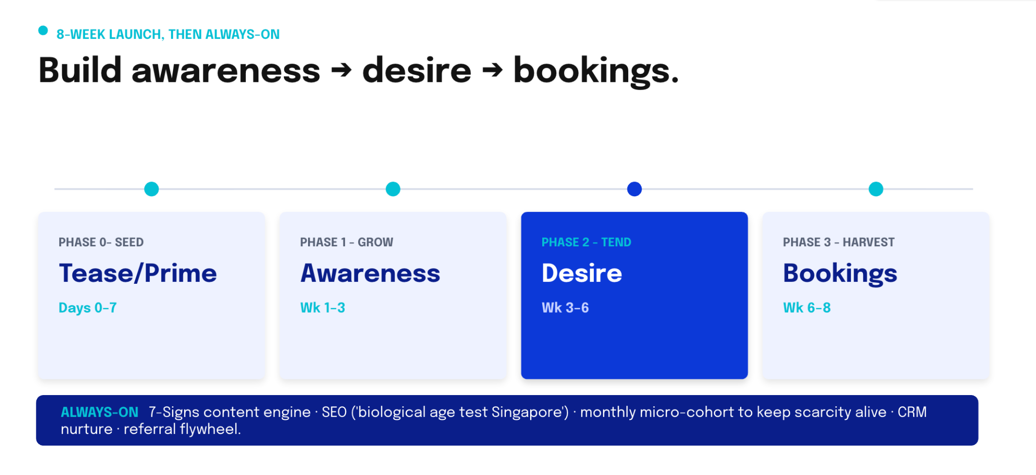

Expected KPIs by Campaign Phases
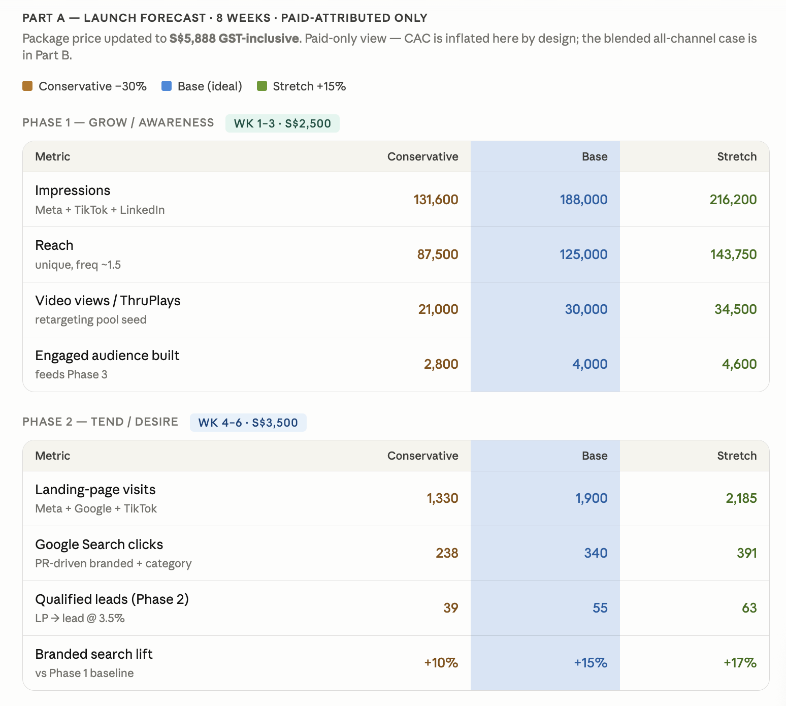 |  |  |  |  | 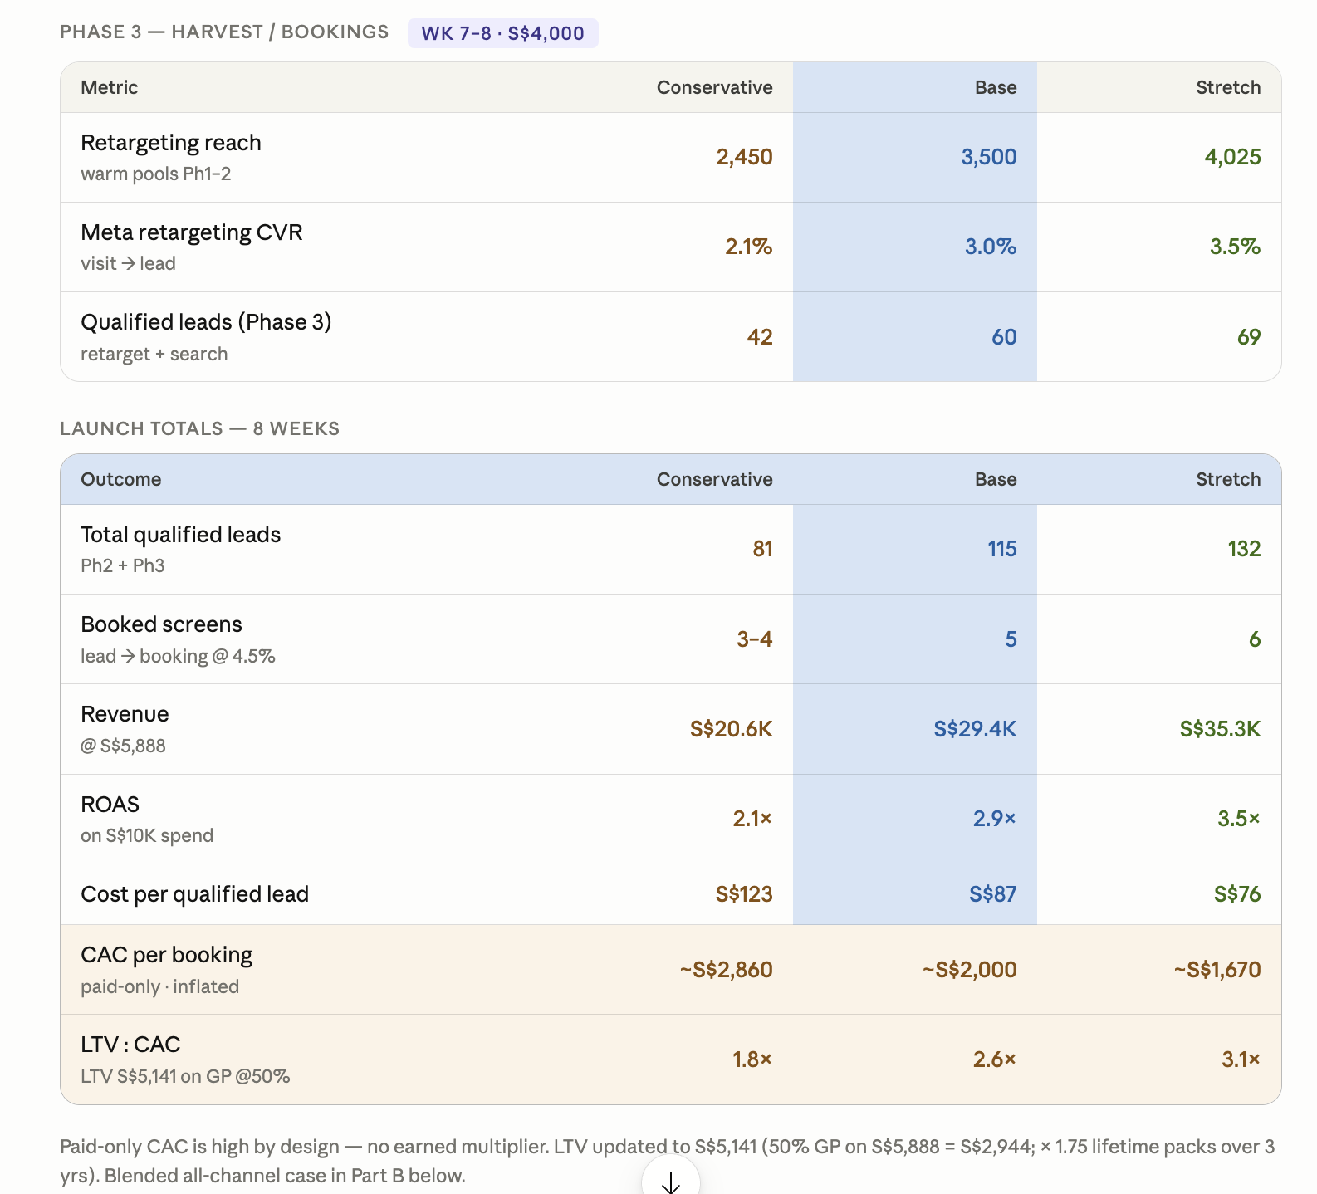

Expected KPIs for Always-On Campaigns

